Diffusivity
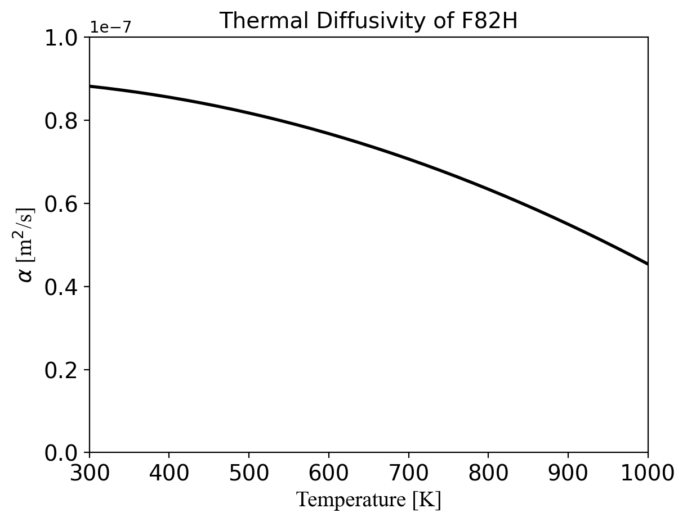

Thermal Diffusivity of F82H
A.-A. Tavassoli, J.-W. Rensman, M. Schirra, K. Shiba, Materials design data for reduced activation martensitic steel type f82h, Fusion Engineering and Design 61 (2002) 617–628.

 | Temperature (°C) | Thermal Diffusivity (10^-6 m^2/s)
0 | 20 | 8.12
1 | 50 | 8.04
2 | 100 | 7.89
3 | 200 | 7.52
4 | 300 | 7.05
5 | 400 | 6.48
6 | 500 | 5.8
7 | 600 | 5.02

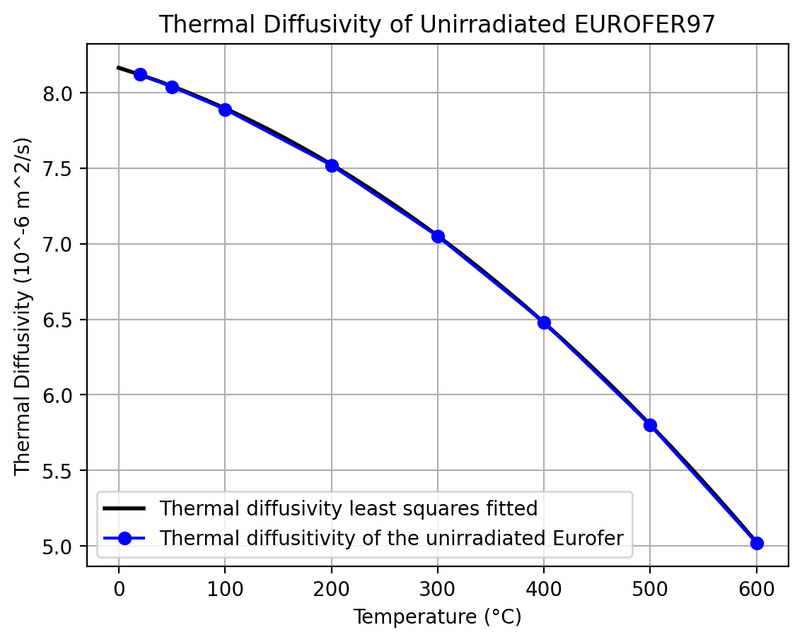

Thermal Diffusivity of Eurofer
ASTM-E-1461 Standard Test Method for Thermal Diffusivity by the Flash Method
ASTM E-1142 Standard Terminology Relating to Thermophysical Properties
F. Tavassoli: 'Comparison of 316L(N) -IG and Eurofer for Early DEMO'. EFDA-WP13-MAT-02-01
K. Mergia, N. Boukos: 'Structural, thermal, electrical and magnetic properties of Eurofer97 steel', J. Nucl. Mater. 373 (2008) 1-8

 | EUROFER97 Temp (K) | EUROFER97 Thermal Diffusivity (cm²/s) | F82H Temp (K) | F82H Thermal Diffusivity (cm²/s)
0 | 295.5958549 | 0.081640712 | 293.2644287 | 0.088598443
1 | 322.7979275 | 0.080789766 | 373.3160622 | 0.086464274
2 | 373.3160622 | 0.077536151 | 472.7979275 | 0.082341491
3 | 472.7979275 | 0.075784205 | 573.0569948 | 0.078637375
4 | 573.0569948 | 0.070728587 | 672.5388601 | 0.072630071
5 | 673.3160622 | 0.064822024 | 772.7979275 | 0.065773081
6 | 772.7979275 | 0.058014461 | 873.0569948 | 0.057664071
7 | 873.0569948 | 0.05025584 | 973.3160622 | 0.048053393
8 |  |  | 1072.797927 | 0.04752836

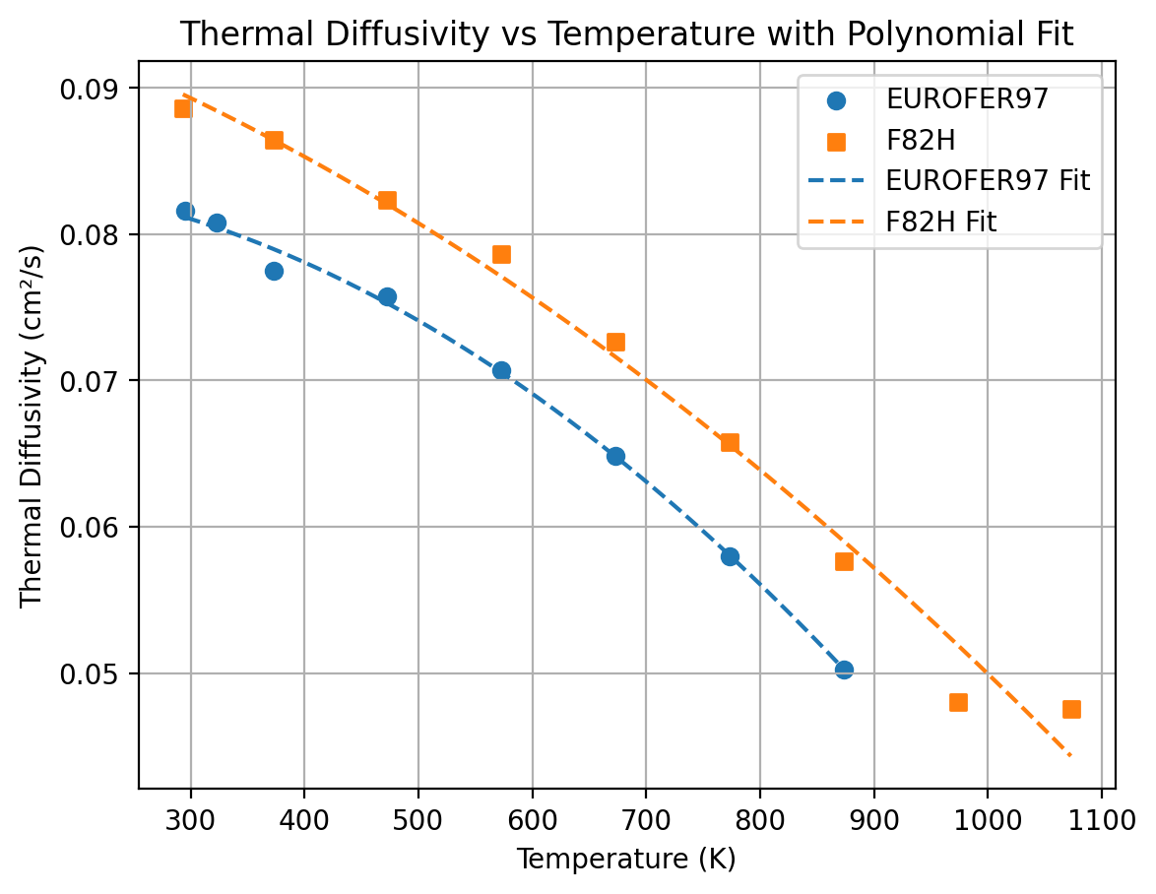

Thermal Diffusivity of Eurofer and F82H
F. Tavassoli, DEMO Interim structural design criteria. Ref. N, T.-DMN/DIR 2002.
Thermal diffusivity of Eurofer 97 (solid circles) as a function of temperature. The data for F82H (open triangles) are according to Ref. [1]. The continuous and dotted lines are the least squares fitted equations (4) and (5).

Emissivity
 | Polished Temperature (K) | Polished Emissivity | Rolled Temperature (K) | Rolled Emissivity
0 | 428.82352941 | 0.11920578957 | 472.35294118 | 0.18161143069
1 | 524.70588235 | 0.13044126925 | 572.94117647 | 0.21492299128
2 | 625.88235294 | 0.14293189831 | 674.11764706 | 0.24444832065
3 | 725.88235294 | 0.15542401188 | 772.35294118 | 0.27397736129
4 | 822.35294118 | 0.17486064205 | 874.11764706 | 0.30224011876

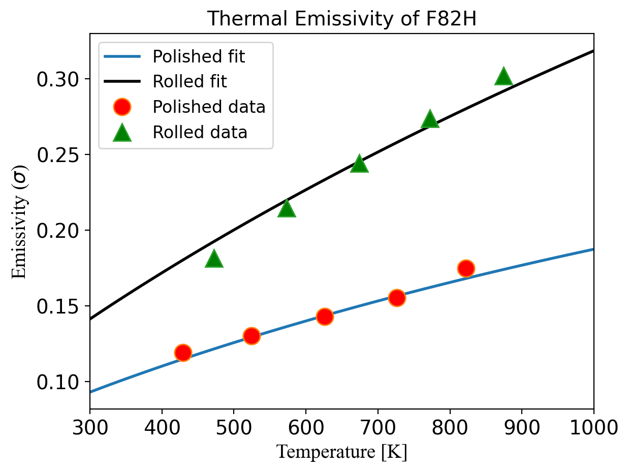

Thermal Emissivity of F82H
T. Ech´aniz, I. G. de Arrieta, A. Gil-Mu˜ noz, J. Fern´andez-Pereda, R. Fuente, M. Klimenkov, G. L´opez, Infrared emissivity of reduced-activation eurofer 97 for fusion reactor applications, Journal of Nuclear Materials 549 (2021) 152907.

SpecificHeat
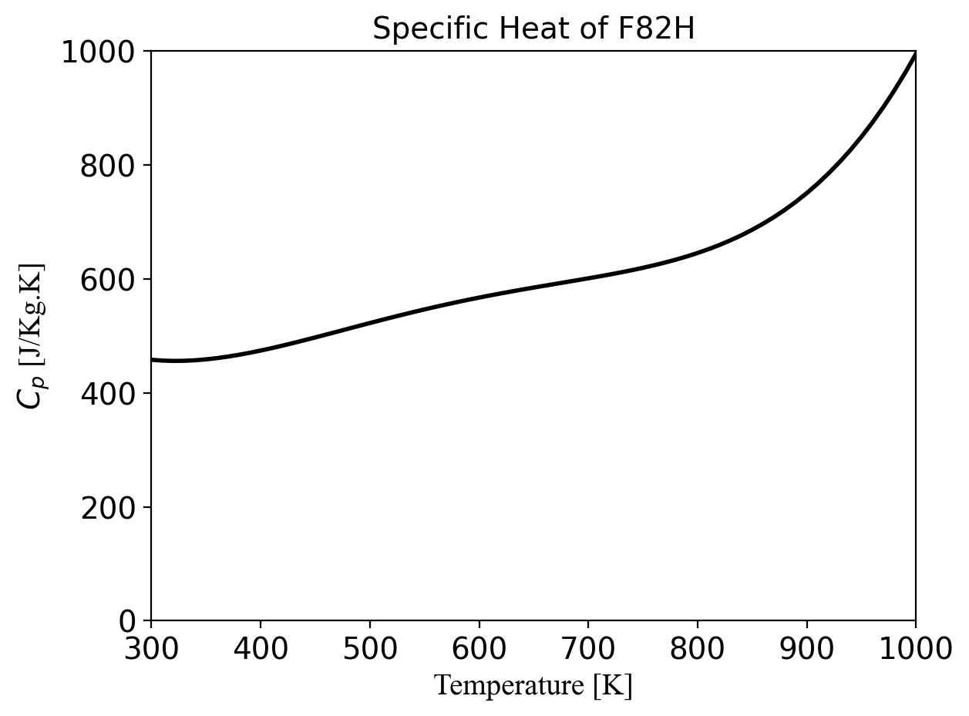

Specific Heat of F82H
A.-A. Tavassoli, J.-W. Rensman, M. Schirra, K. Shiba, Materials design data for reduced activation martensitic steel type f82h, Fusion Engineering and Design 61 (2002) 617–628.

 | Temperature (°C) | Specific Heat (J/kg*K)
0 | 20 | 439
1 | 50 | 462
2 | 100 | 490
3 | 200 | 523
4 | 300 | 546
5 | 400 | 584
6 | 500 | 660
7 | 600 | 800

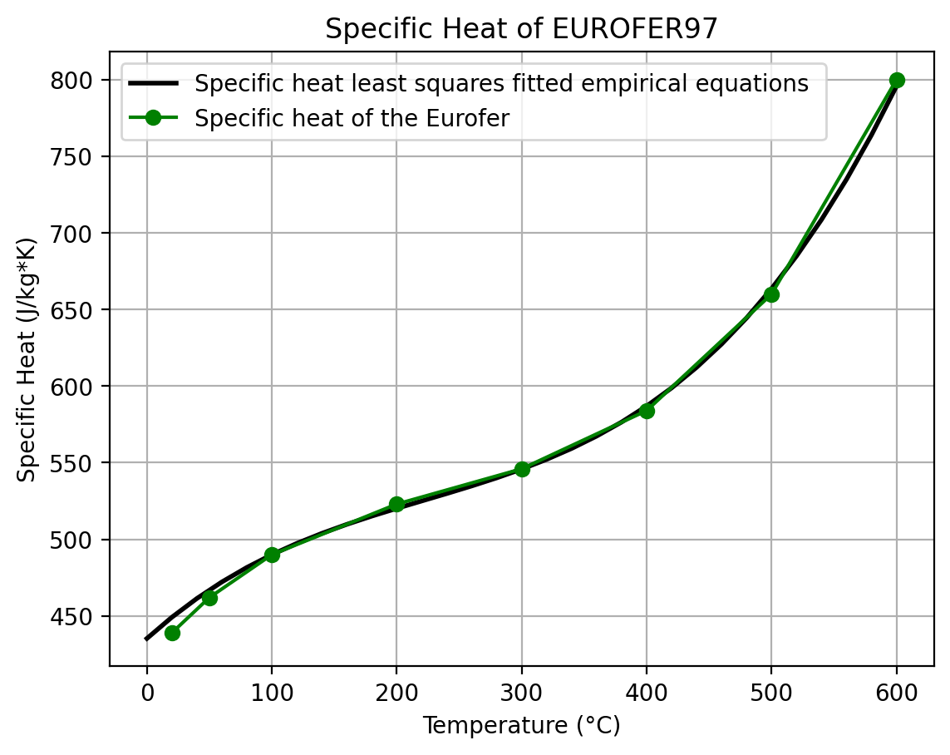

Specific Heat of Eurofer
1. ASTM E-1142 Standard Terminology Relating to Thermophysical Properties
2. F. Tavassoli: 'Comparison of 316L(N) -IG and Eurofer for Early DEMO'. EFDA-WP13-MAT-02-01
3. K. Mergia, N. Boukos: 'Structural, thermal, electrical and magnetic properties of Eurofer97 steel', J. Nucl. Mater. 373 (2008) 1-8

 | EUROFER97 Temp (K) | EUROFER97 Specific Heat (J/kg-K) | F82H Temp (K) | F82H Specific Heat (J/kg-K)
0 | 296.1038961 | 448.3953787 | 292.8571429 | 449.1655969
1 | 322.7272727 | 461.4890886 | 322.7272727 | 461.4890886
2 | 348.0519481 | 475.3503167 | 373.3766234 | 479.2041078
3 | 373.3766234 | 485.3658537 | 422.7272727 | 495.1498089
4 | 398.0519481 | 496.1489031 | 472.7272727 | 519.039709
5 | 423.3766234 | 504.6213094 | 522.7272727 | 559.2682927
6 | 447.4025974 | 513.8639281 | 572.7272727 | 546.2130937
7 | 472.7272727 | 521.5661104 | 622.7272727 | 567.0089858
8 | 498.0519481 | 530.0831509 | 673.3766234 | 589.3453145
9 | 522.7272727 | 536.9709475 | 722.7272727 | 614.4980739
10 | 548.0519481 | 544.6726573 | 772.7272727 | 646.3414634
11 | 572.7272727 | 556.954618 | 822.7272727 | 692.5250321
12 | 598.0519481 | 565.4685494 | 872.7272727 | 783.4033613
13 | 622.7272727 | 573.1703717 | 922.7272727 | 860.0506468
14 | 648.0519481 | 583.9537869 | 972.7272727 | 804.2362003
15 | 672.7272727 | 597.0474968 | 1022.727273 | 1076.123253
16 | 698.0519481 | 611.6841631 | 1032.467532 | 1156.225931
17 | 722.7272727 | 625.6264442
18 | 747.4025974 | 655.5840284
19 | 773.3766234 | 687.1630295
20 | 797.4025974 | 701.0526316
21 | 822.7272727 | 721.0526316
22 | 847.4025974 | 764.1848524
23 | 872.7272727 | 801.1553273

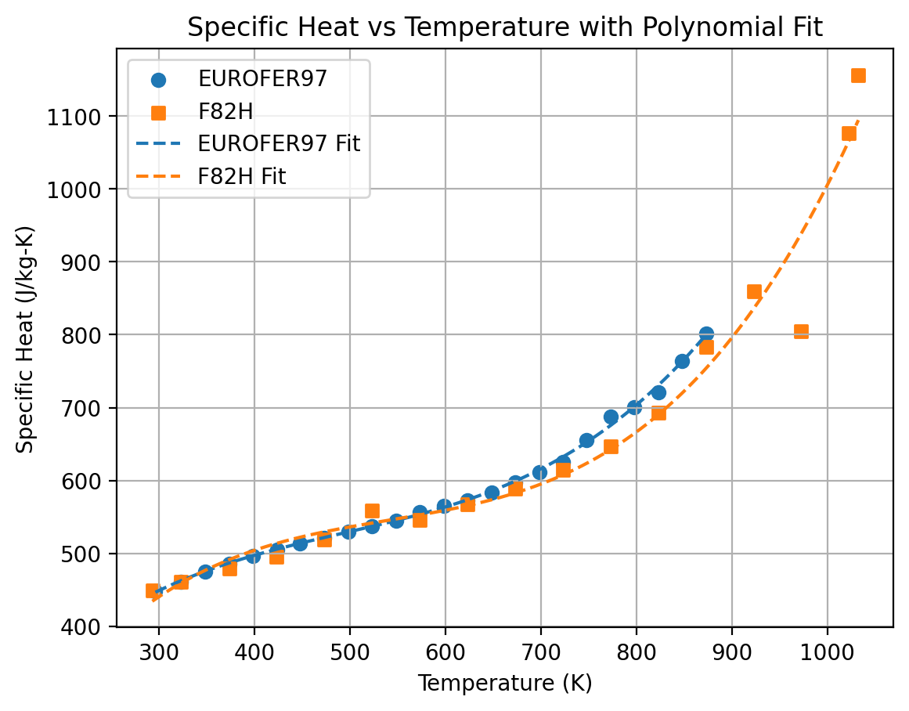

Specific Heat of Eurofer and F82H
F. Tavassoli, DEMO Interim structural design criteria. Ref. N, T.-DMN/DIR 2002.
Specific heat of Eurofer 97 (Circles) as a function of temperature. The data for F82H (Triangles) are according to Ref. [14]. The continuous and dotted lines are the least squares fitted equations (6) and (7). Insert: Magnetic specific heat for Eurofer 97 (for details see text).

 | Temperature (°C) | Specific heat (J/(kg K))
0 | 25 | 431
1 | 100 | 483
2 | 200 | 521
3 | 300 | 573
4 | 400 | 626
5 | 500 | 693
6 | 600 | 795

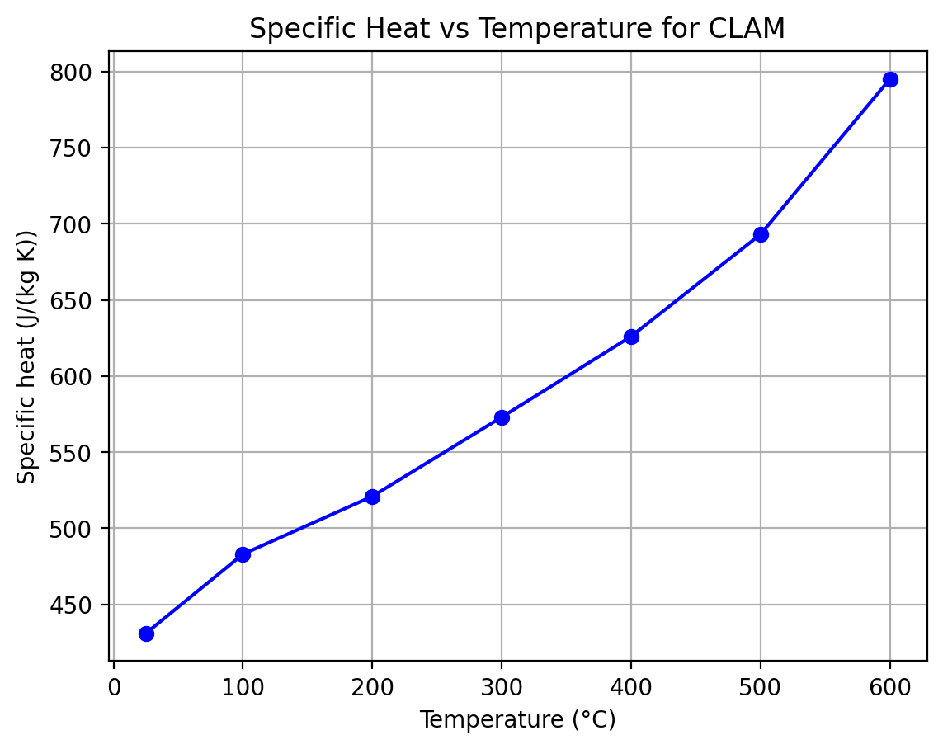

Specific Heat of CLAM (Chinese low activation martensitic steel)
Progress in development of China Low Activation Martensitic steel for fusion application Q. Huang
Q. Huang, Research on China Low Activation Martensitic Steel for Fusion Application, PhD thesis, Chinese Academy of Sciences (in Chinese), 2006

 | Temperature (°C) | Thermal capacity (J/g °C)
0 | 100 | 0.48
1 | 300 | 0.52
2 | 500 | 0.55

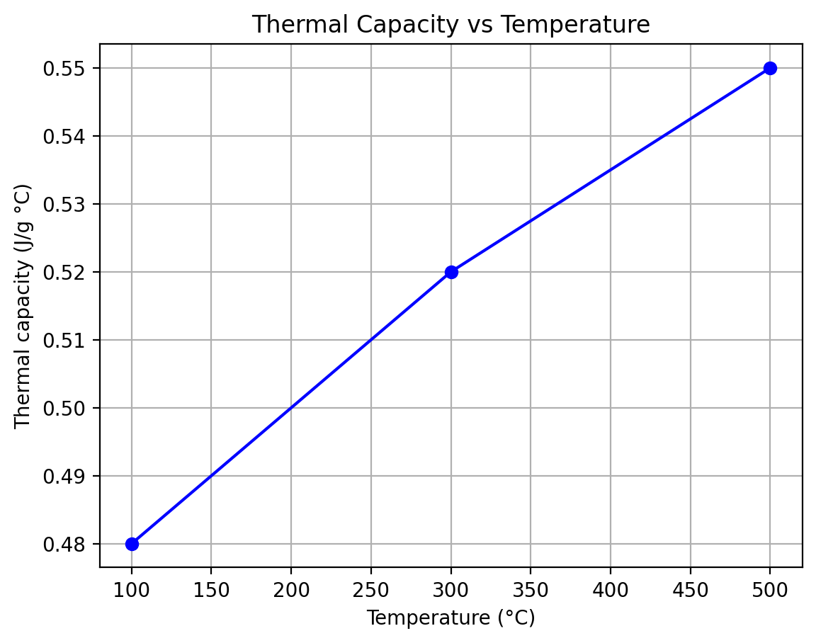

Specific Heat of CLAM (Chinese low activation martensitic steel) 2
Research and development on the China low activation martensitic steel (CLAM) Jinnan Yu

ThermalConductivity
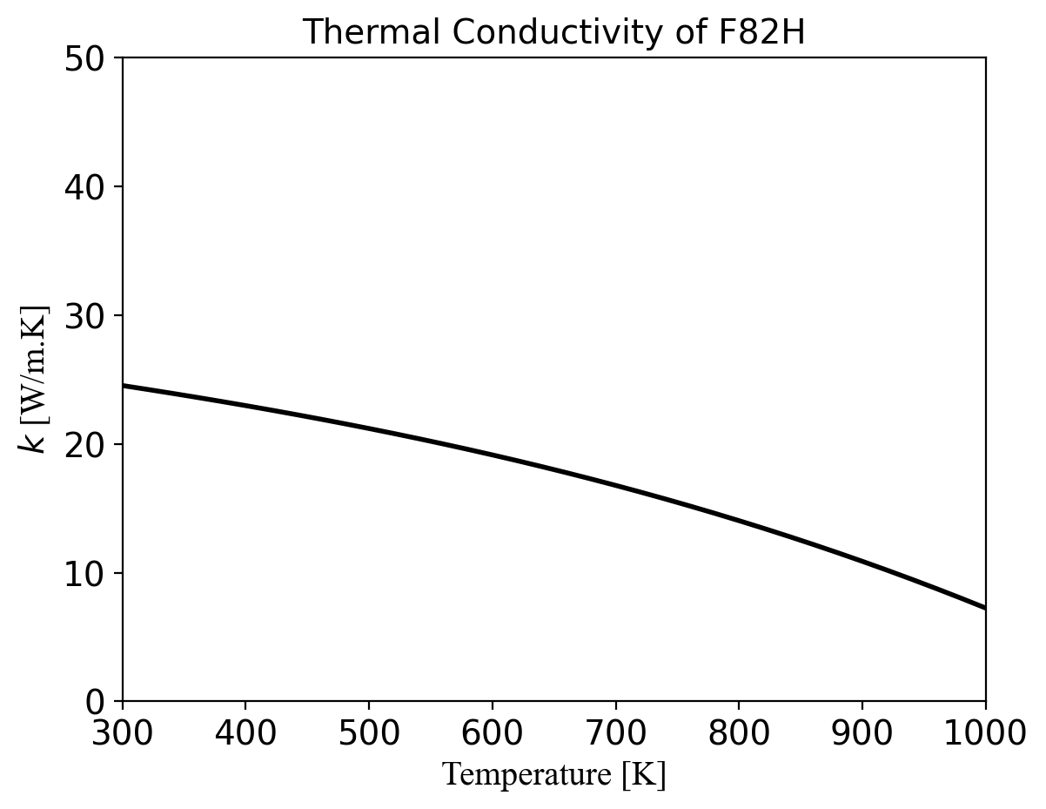

Thermal Conductivity of F82H
A.-A. Tavassoli, J.-W. Rensman, M. Schirra, K. Shiba, Materials design data for reduced activation martensitic steel type f82h, Fusion Engineering and Design 61 (2002) 617–628.

 | Temperature (°C) | Thermal Conductivity (W/m*K)
0 | 20 | 28.08
1 | 50 | 28.86
2 | 100 | 29.78
3 | 200 | 30.38
4 | 300 | 30.01
5 | 400 | 29.47
6 | 500 | 29.58
7 | 600 | 31.12

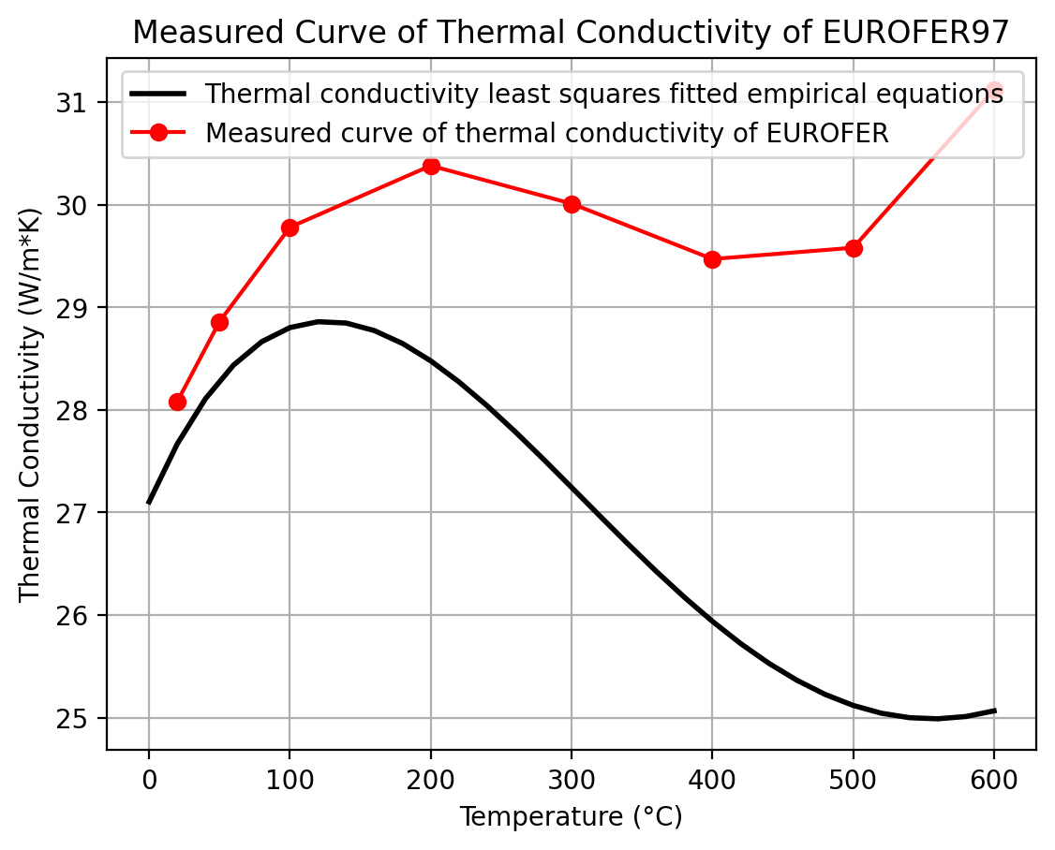

Thermal Conductivity of Eurofer
ASTM-C-108 Standard Symbols for Heat Transmission
ASTM E-1142 Standard Terminology Relating to Thermophysical Properties
F. Tavassoli: “Comparison of 316L(N) -IG and Eurofer for Early DEMO”. EFDA-WP13-MAT-02-01
K. Mergia, N. Boukos: 'Structural, thermal, electrical and magnetic properties of Eurofer97 steel', J. Nucl. Mater. 373 (2008) 1-8

 | Temperature (°C) | Thermal Conductivity (W/m*K)
0 | 20 | 28.08
1 | 50 | 28.86
2 | 100 | 29.78
3 | 200 | 30.38
4 | 300 | 30.01
5 | 400 | 29.47
6 | 500 | 29.58
7 | 600 | 31.12

Thermal Conductivity of Eurofer and F82H
F. Tavassoli, DEMO Interim structural design criteria. Ref. N, T.-DMN/DIR 2002.
Thermal conductivity versus temperature. Circles: Eurofer 97 using Eqs. (1), (4) and (6). Squares: Eurofer 97 from the experimental data points of diffusivity and specific heat (Figs. 3 and 4) and using Eq. (1). Open triangles: F82H according to Ref. [1]. The continuous and dotted lines are the least squares fitted equations (10) and (11). Insert: open circles experimental thermal resistivity values of Eurofer 97, continuous line the least squares fitted equation (9).

 | Temperature (°C) | Thermal conductivity (W/(m K))
0 | 25 | 24.5
1 | 100 | 26.5
2 | 200 | 27
3 | 300 | 27.9
4 | 400 | 28.1
5 | 500 | 28.4
6 | 600 | 28.3

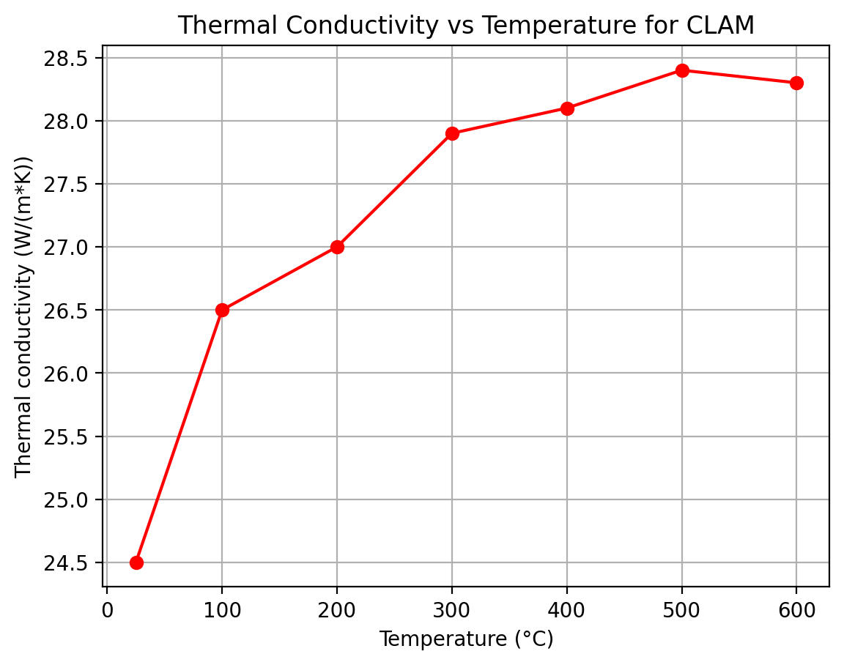

Thermal conductivity of CLAM (Chinese low activation martensitic steel)
Progress in development of China Low Activation Martensitic steel for fusion application Q. Huang
Q. Huang, Research on China Low Activation Martensitic Steel for Fusion Application, PhD thesis, Chinese Academy of Sciences (in Chinese), 2006

 | Temperature (°C) | Thermal conductivity (J/s cm °C)
0 | 25 | 0.265
1 | 100 | 0.256
2 | 200 | 0.242
3 | 300 | 0.229
4 | 400 | 0.216
5 | 500 | 0.202
6 | 600 | 0.189

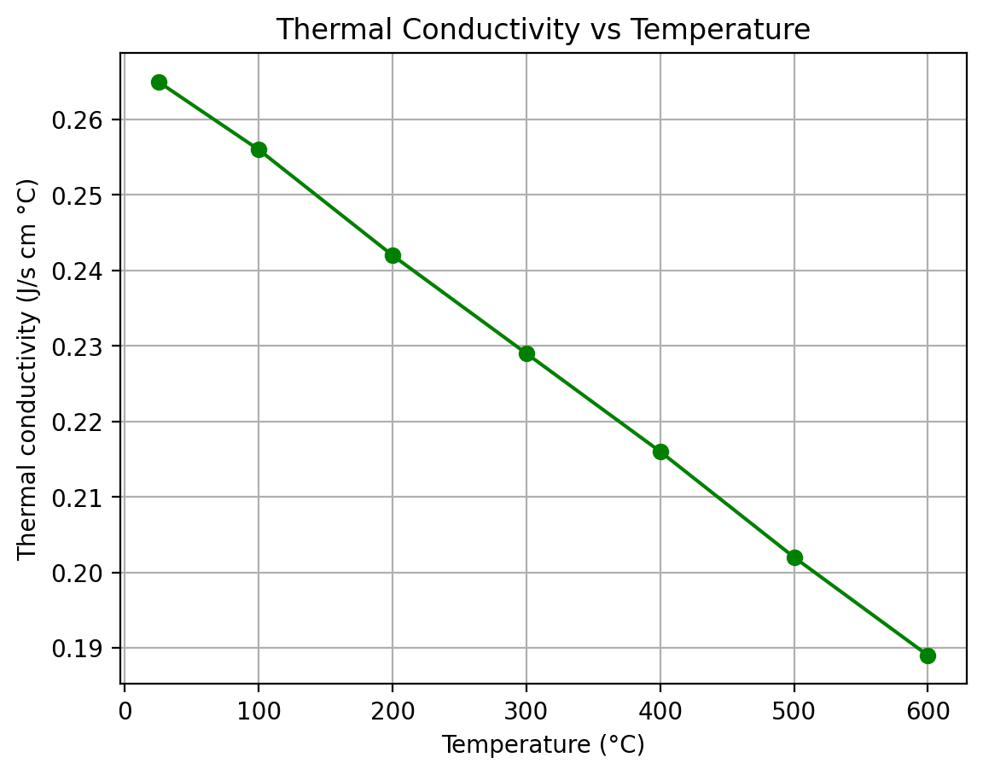

Thermal conductivity of CLAM (Chinese low activation martensitic steel) 2
Research and development on the China low activation martensitic steel (CLAM) Jinnan Yu

CTE
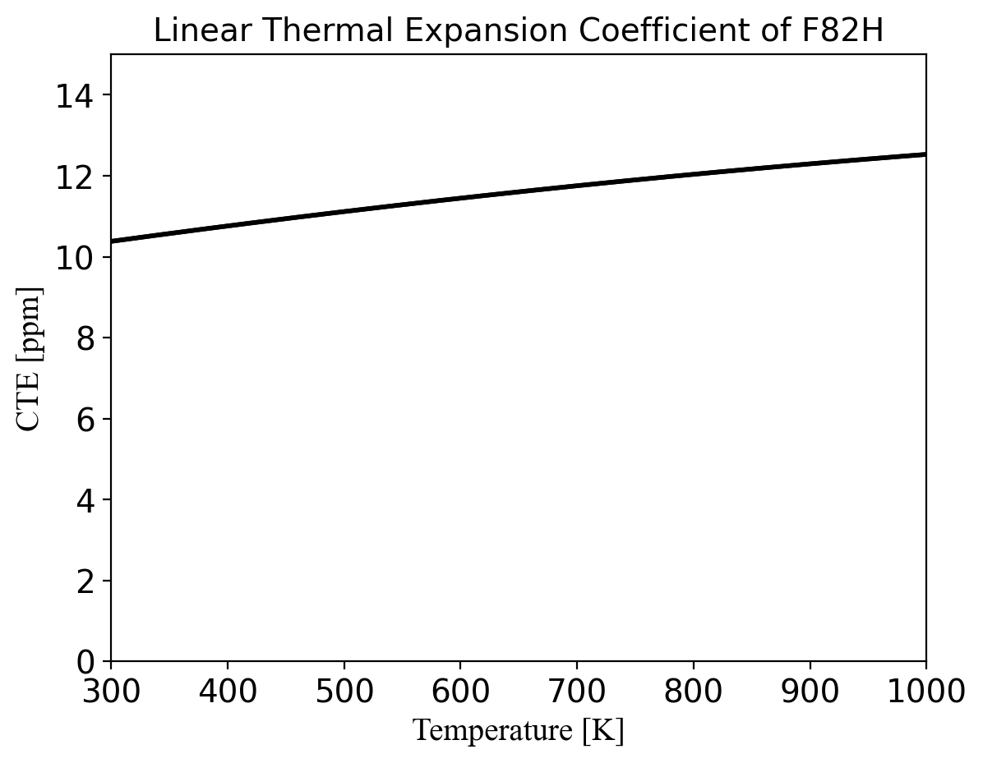

Thermal Expansion Coefficient of F82H
A.-A. Tavassoli, J.-W. Rensman, M. Schirra, K. Shiba, Materials design data for reduced activation martensitic steel type f82h, Fusion Engineering and Design 61 (2002) 617–628.

 | Temperature (°C) | Mean Value (10^-6/K) | Instantaneous Value (10^-6/K)
0 | 20 | 10.3 | 10.3
1 | 50 | 10.5 | 10.6
2 | 100 | 10.7 | 11.1
3 | 200 | 11.2 | 11.9
4 | 300 | 11.6 | 12.6
5 | 400 | 11.9 | 13.2
6 | 500 | 12.2 | 13.5

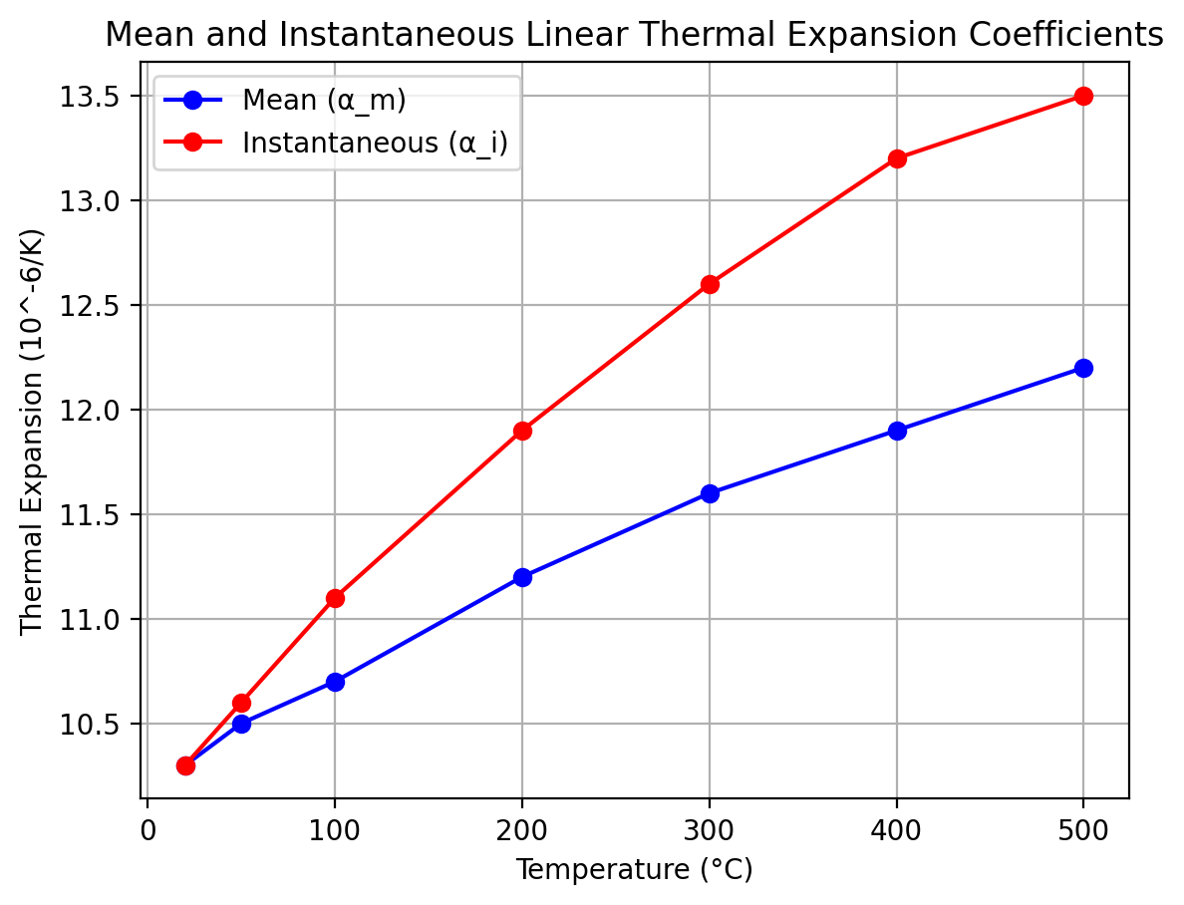

Thermal Expansion Coefficient of Eurofer
ASTM E-1142 Standard Terminology Relating to Thermophysical Properties
ASTM E-228 Standard Test Method for Linear Thermal Expansion of Solid Materials With a Push-Rod Dilatometer
J. Koslosky: “Using Coefficients of Thermal Expansion in a Finite Element Model” https://caeai.com/blog/coefficients-thermal-expansion-finite-element-model
F. Tavassoli: “Comparison of 316L(N) -IG and Eurofer for Early DEMO”. EFDA-WP13-MAT-02-01

 | Temperature (°C) | Specific heat (J/(kg K)) | Thermal conductivity (W/(m K)) | Linear expansion coefficient (10^-6/K)
0 | 25 | 431 | 24.5
1 | 100 | 483 | 26.5 | 11.1
2 | 200 | 521 | 27 | 11.5
3 | 300 | 573 | 27.9 | 11.8
4 | 400 | 626 | 28.1 | 12
5 | 500 | 693 | 28.4 | 12.3
6 | 600 | 795 | 28.3 | 12.5

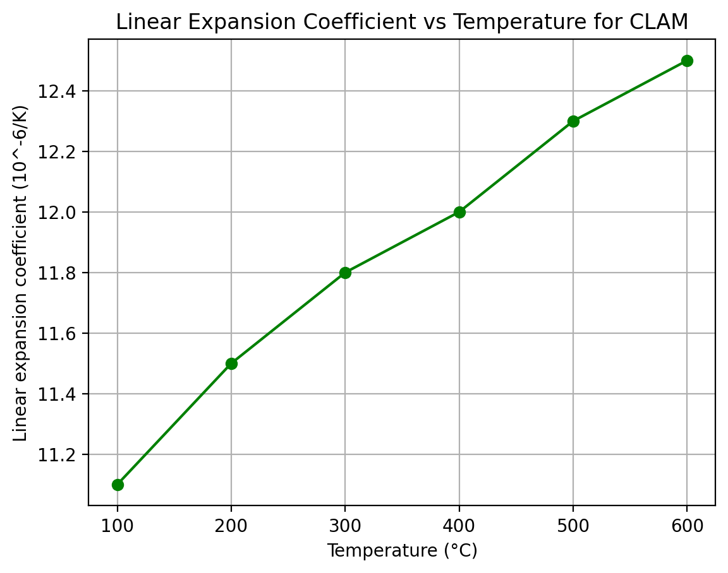

Linear expansion coefficient of CLAM (Chinese low activation martensitic steel)
Progress in development of China Low Activation Martensitic steel for fusion application Q. Huang
Q. Huang, Research on China Low Activation Martensitic Steel for Fusion Application, PhD thesis, Chinese Academy of Sciences (in Chinese), 2006

 | Temperature (°C) | Thermal capacity (J/g °C) | Thermal expansion coefficient (10^-6 °C) | Thermal conductivity (J/s cm °C)
0 | 25 |  |  | 0.265
1 | 100 | 0.48 |  | 0.256
2 | 200 |  |  | 0.242
3 | 300 | 0.52 |  | 0.229
4 | 350 |  | 12.04
5 | 400 |  | 12.06 | 0.216
6 | 450 |  | 12.16
7 | 500 | 0.55 | 12.18 | 0.202
8 | 550 |  | 12.28
9 | 600 |  |  | 0.189

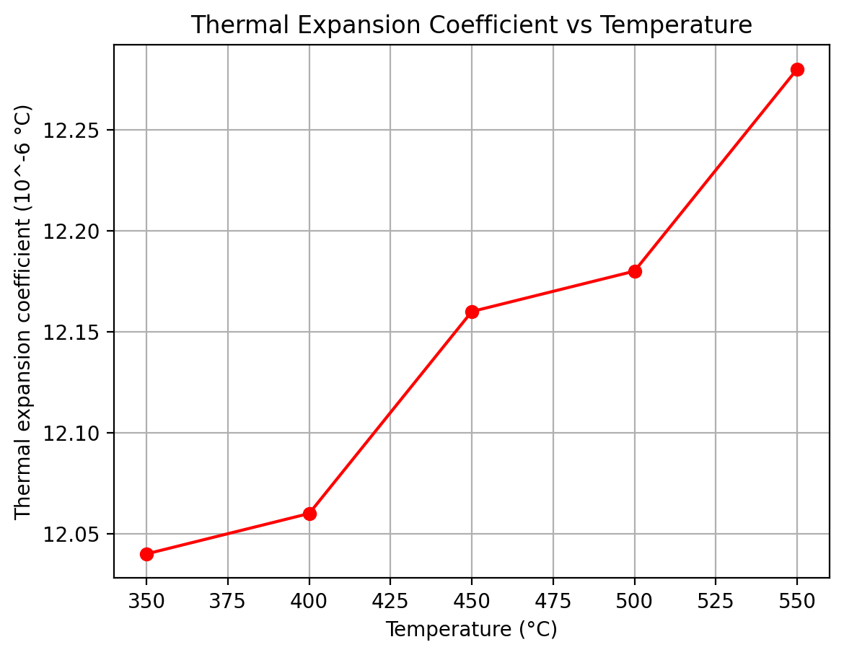

Thermal Expansion Coefficient of CLAM (Chinese low activation martensitic steel) 2
Research and development on the China low activation martensitic steel (CLAM) Jinnan Yu

Density
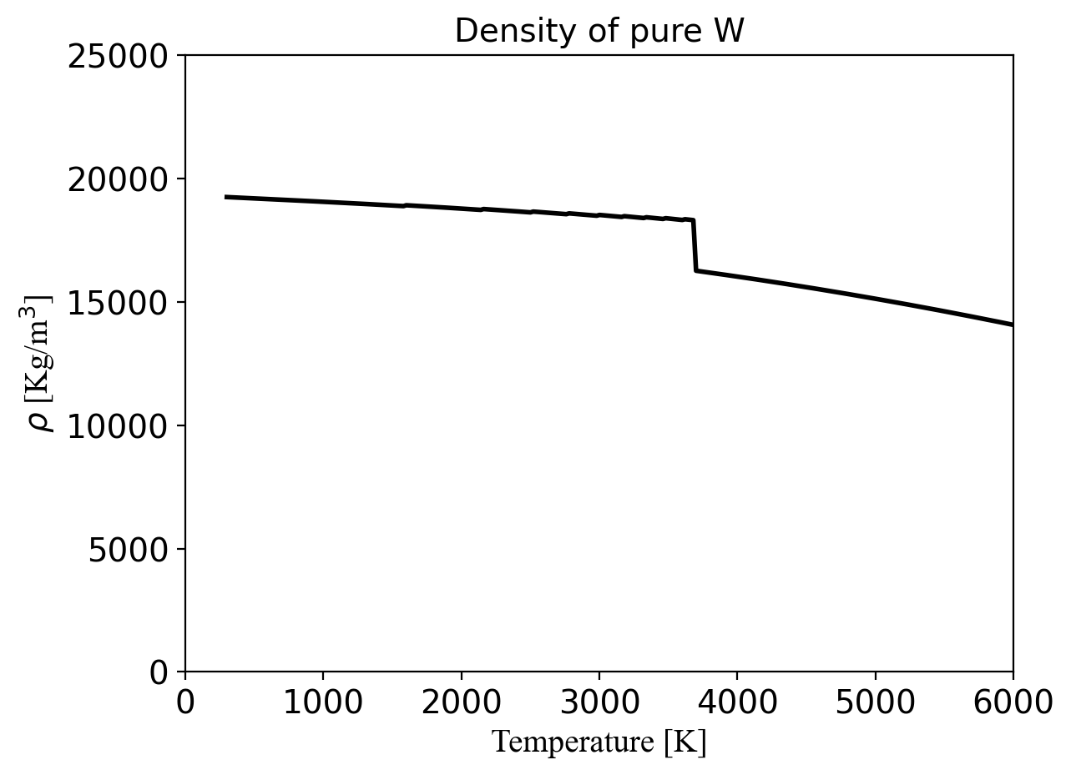

Density of W
F82H_Properties_Handbook_by_DMS

 | Temperature (°C) | Density (kg/m³)
0 | 20 | 7744
1 | 50 | 7750
2 | 100 | 7740
3 | 200 | 7723
4 | 300 | 7691
5 | 400 | 7657
6 | 500 | 7625
7 | 600 | 7592
8 | 700 | 7559

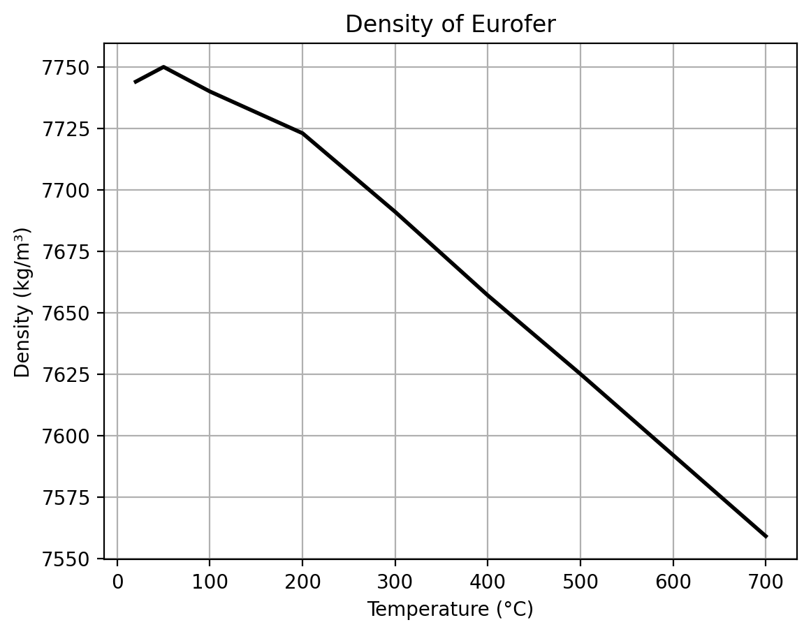

Density of Eurofer
F. Tavassoli: “Comparison of 316L(N) -IG and EUROFER97 for Early DEMO”. EFDA-WP13-MAT-02-01

